Datailed Inquiry Information
Detailed Inquiry Information

 | PLEASE PROVIDE EVIDENCE OF REQUEST / DETAILS OF REQUEST HERE (IN DETAIL).

 |  | select prd.bu_group, tij.organization_code, tij.parts_code, tij.vendor_code, tij.quantity, tij.issue_date, tij.error_message, tbm.description, d.host_name, d.instance_name
 |  | ,prd.price_det ,prd.parts_code pparts_code, prd.vendor_code pvendor_code, prd.unit_price, prd.currency, prd.effective_from, prd.effective_to, prd.creation_date,count(*) over()
 |  | from tip_issue_jnl_po tij ,tip_purchasing_mst tpm ,tip_buyer_mst tbm
 |  | ,(select instance_name, host_name from v$instance) d
 |  | ,(select distinct c.price_det, b.parts_code, b.vendor_code, b.unit_price, b.currency, b.effective_from, b.effective_to, b.creation_date,a.organization_code,tdv.default_value bu_group
 |  | from tip_issue_jnl_po a, tip_price_mst b,
 |  | tip_default_values tdv,
 |  | (select 'Price Details: ' price_det from dual) c
 |  | where a.parts_code = b.parts_code
 |  | and a.vendor_code = b.vendor_code
 |  | and a.organization_code = tdv.additional_key
 |  | and tdv.default_value = b.bu_group
 |  | and to_char(sysdate,'yyyymm') >= to_char(effective_from,'yyyymm')
ORGANIZATION FROM TIP ISSUE JNL is ESP
BUT ON THE PRICE MASTER ONLY HDD HAS SETUP THAT WHY THIS LINE IS INVALID
 |  | and to_char(sysdate,'yyyymm') <= to_char(effective_to,'yyyymm')
 |  | and a.oca_status = '*'
 |  | and a.error_message like '%PRICE%') prd
 |  | ,tip_default_values tdv1
 |  | where tij.error_status is not null
 |  | and tij.parts_code = tpm.parts_code
 |  | and prd.organization_code = tdv1.additional_key
 |  | and tpm.bu_group = tdv1.default_value
 |  | and tpm.buyer_code = tbm.buyer_code(+)
 |  | and tij.parts_code = prd.parts_code(+)
 |  | and prd.organization_code = tij.organization_code
 |  | and tij.oca_status = '*';

 |  | After Running the Yellow subquery Part

 |  |  | Causing Mismatch on the DEFAULT VALUE and BU GROUP that's why no data in return

Helpdesk Request
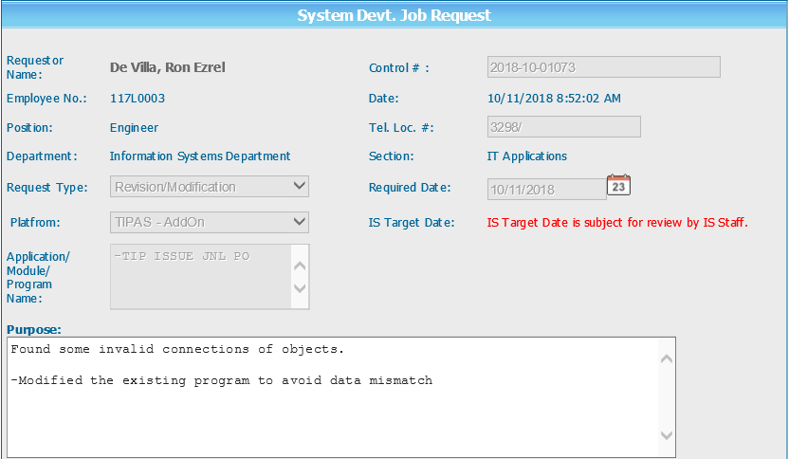
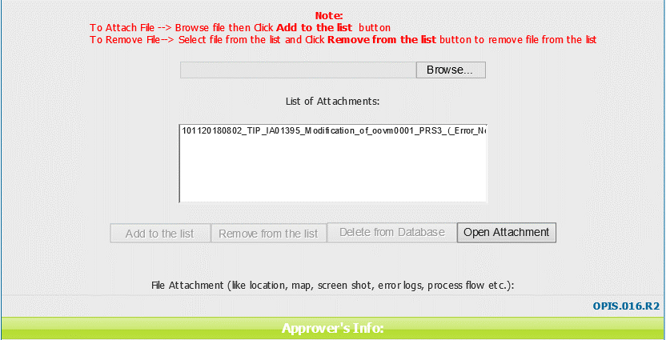
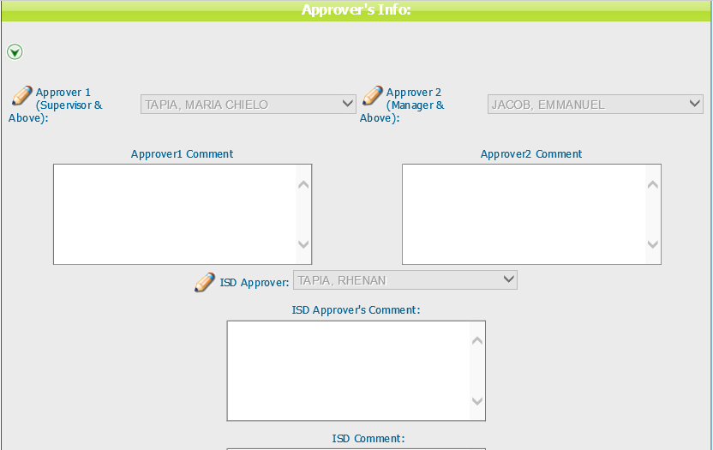
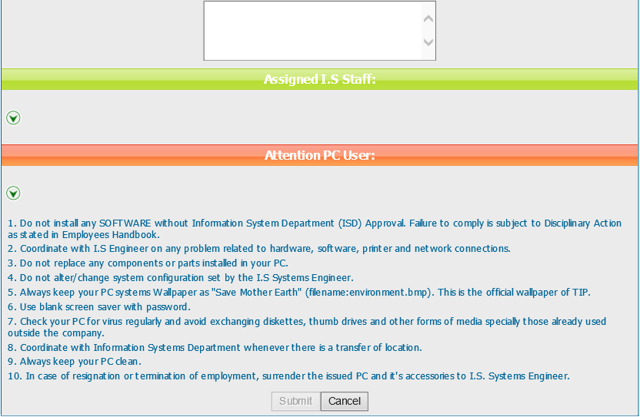
Helpdesk Request

 | ATTACH SCREENSHOT OF HELPDESK REQUEST.

